Web Portal
Click on the Link Side Menu
"Itinerary Wallet"
View Screen shows the itineraries created in a list view.
Fields:
First Name
Last Name
Itinerary Name
Travel Start Date
Travel End Date
Status
Icons/button:
View
Edit (admin access view only)
Delete (admin access view only)
Status will be Active after a itinerary is created.
Status will be swtiched to Inactive automatically after the Travel End Date is lapsed.
Advance Search Menu bar has all the above fields.
Delete removes the record from the database.

View Screen

Fields displayed:
Customer (edit locked)
Itinerary Name (edit locked)
Travel Start Date (edit locked)
Travel End Date (edit locked)
Status (edit locked)
Edit (admin access view only)
(Admin only access can edit all fields)
Fields:
First Name
Last Name
Email
Password
Save (button)
Back (button)
Email will be the username they login from the mobile app, using the password created.
Create Customer
(button)
View Itinerary
(View Icon/button)
Fields:
Customer (drop down)
Itinerary Name (256 Char)
Travel Start Date (calendar)
Travel End Date (calendar)
Save (button)
Back (button)
Customer drop down: shows the first name and last name of all the customers created, sort by first name.
After itinerary is created it appears in the View Screen ready for document uploads.
Create Itinerary
(button)

Fields:
Document Name (256 Char)
Document Type (drop down)
- Flights
- Accommodation
- Cruises
- Tour Packages
- Day Tours & Activities
- Ground Transfers
- Rail
- Other
Travel Start Date (calendar)
Travel End Date (calendar)
File Name (file name)
Browse (button to browse for PDF or word doc)
Add Document (button)
Save (button)
Back (button)
Travel Start and End Date in here can be the same day
User can create multiple of the same Document Type in the one Itinerary.
For example people will stay at different hotels during their trip or have 3 or 4 flights.
Upload Documents
(button)

Fields displayed:
First Name
Last Name
Email
Edit (icon/button)
Delete (icon/button admin acccess view only)
Admin access can edit all fields and delete customer. Delete removes the record from the database.
Customer List Screen

Fields displayed after document upload:
Document Name
Document Type
Travel Start Date
Travel End Date
File Name
Edit (icon/button)
Delete (icon/button)
Edit: Can edit any fields above and upload new file.
Delete removes the record and file from the database.

Fields:
First Name (edit locked)
Last Name (edit locked)
Email (edit locked)
Password
Save (button)
Back (button)
Edit can only allow the Partner to update password field.
Admin access can edit all fields.
Edit Customer
(icon/button)

Sign In
Sign In
Screen
User sign in screen with:
Username: (email)
Password:
Login Button
Background should be in the travel agents colours.

Home Screen
Display all the itinerary created.
Can have multiple itinieraries.
Upcoming / Past tabs
Itinerary Name
Travel Start Date
Travel End Date
Forgot Password
Appears just underneath the login button.

Reset email sent to user email address

Home Screen
Display all the itinerary created.
Can have multiple itinieraries.
Upcoming / Past tabs
Itinerary Name
Travel Start Date
Travel End Date
Home Screen

Trip Name

Trip Name
Trip Name
Display all the itinerary created.
Can have multiple itinieraries.
Itinerary Name
Travel Start Date
Travel End Date

There are 8 tiles needed.
Flights, Accommodation, Cruises, Packages, Activities, Transfers, Rail and Other
Menu bar at the bottom

Flights
Accommodation
Cruises
Packages
Activities
Transfers
Rail
Other

Fields displayed Document Name
Travel Start Date
Travel End Date
View File: Paper icon
Fields displayed Document Name
Travel Start Date
Travel End Date
View File: Paper icon
Fields displayed Document Name
Travel Start Date
Travel End Date
View File: Paper icon
Fields displayed Document Name
Travel Start Date
Travel End Date
View File: Paper icon
Fields displayed Document Name
Travel Start Date
Travel End Date
View File: Paper icon
Fields displayed Document Name
Travel Start Date
Travel End Date
View File: Paper icon
Fields displayed Document Name
Travel Start Date
Travel End Date
View File: Paper icon
Fields displayed Document Name
Travel Start Date
Travel End Date
View File: Paper icon

Bottom Menu Bar_Home
Bottom menu bar on the Home screen contains 4 icons
Bottom Menu Bar
(Home Screen)

Explore
(search icon)
Notification
(bell icon)
Contact
(phone handset icon)
Profile
(person icon)

Explore
When user is in this section it is the current web browser functionality we have that browses the URL:
https://partners.travezl.com/activetravel
Explore
(search icon)

Bottom Menu Bar
(Explore Screen)

Home
(home icon)
Itinerary
(wallet icon)
Back
(back icon)
Forward
(forward icon)

Goes back in the web browser
Goes forward in the web browser
Takes the user back to the below URL
https://partners.travezl.com/activetravel
Takes the user back to the Main Home Screen

WF_Login
App Start and User Login Workflow
Loading Screen | Login Screen |  |  | Home Screen

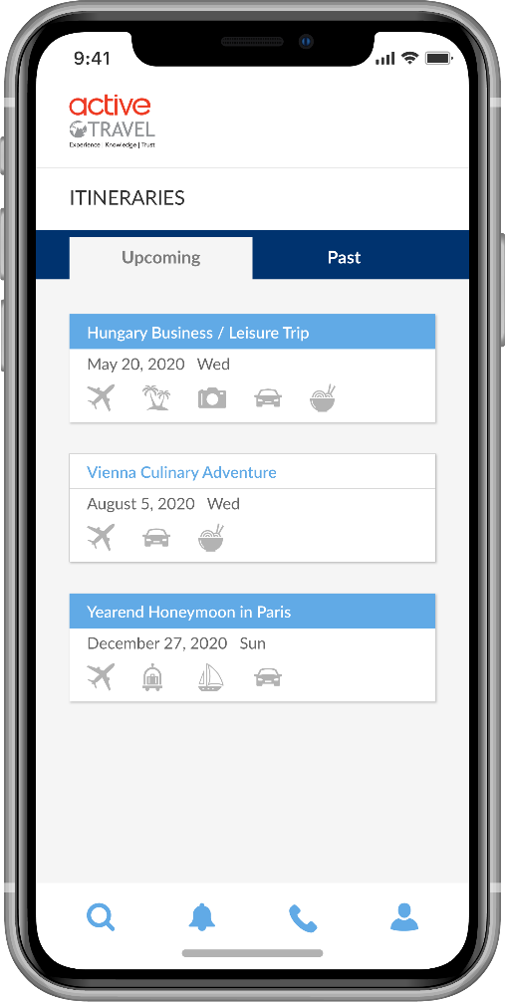

 | database fields |  |  |  | database fields
 | itinerary_customers | id |  |  | itinerary_customers | id
 | itinerary_customers | email |  |  | itinerary_customers | itinerary_customer_id
 | itinerary_customers | password |  |  | itinerary_customers | itinerary_name
 | itinerary_customers | status |  |  | itinerary_customers | travel_start_date
 |  |  |  |  | itinerary_customers | travel_end_date

Forgot Password Workflow
Login Screen | Forgot Password Screen |  |  |  |  |  | Login Screen
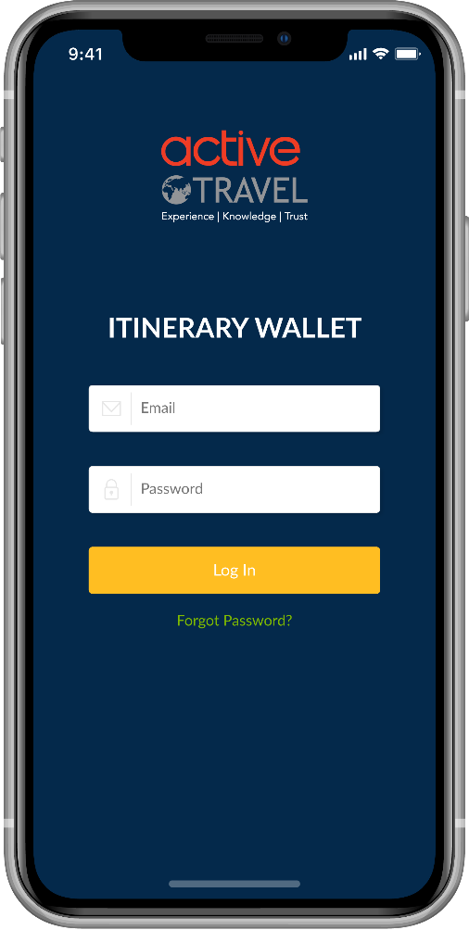
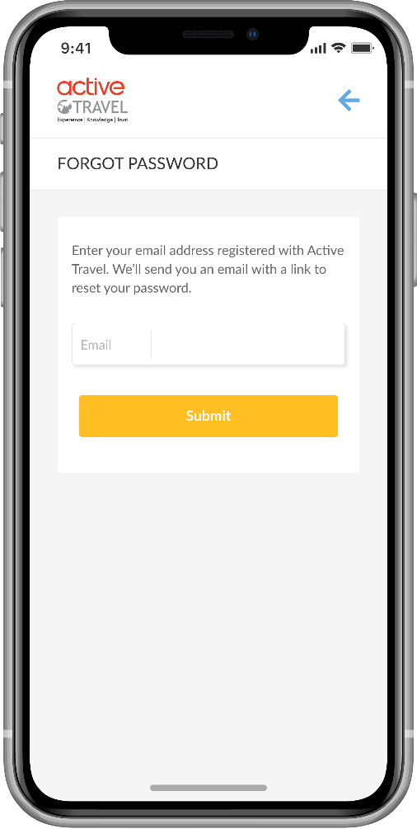
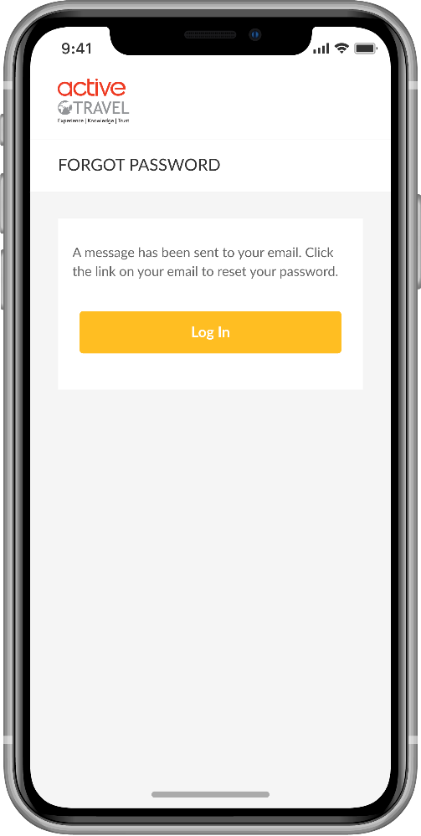

Email (username) and Password is read from the database. Created by the Travel Agent for the customer.
Forgot Password:
Email is sent to the user to reset the password.
The email should allow user to create a new password the new password is then updated in the database.

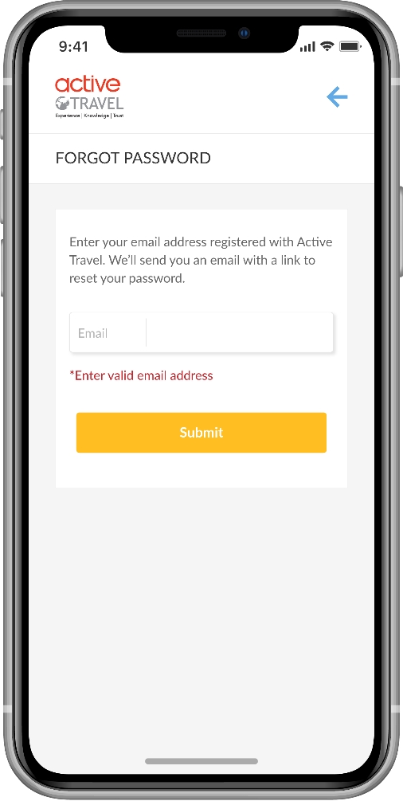

 |  |  | database fields
 |  |  | itinerary_customers | id
 |  |  | itinerary_customers | email
 |  |  | itinerary_customers | password
 |  |  | itinerary_customers | status

WF_Notifications
App Start and User Login Workflow
Login Screen
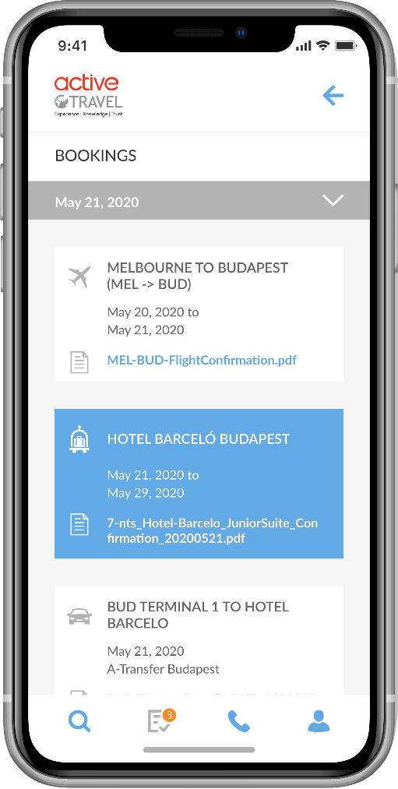

 | database fields
 | itinerary_documents_mapping | id
 | itinerary_documents_mapping | document_name
 | itinerary_documents_mapping | itinerary_id
 | itinerary_documents_mapping | document_type
 | itinerary_documents_mapping | document_file_name
 | itinerary_documents_mapping | start_date
 | itinerary_documents_mapping | end_date

Note: Lester has changed the Bell icon to the Bookings one. This needs to be done for all screens where we previosuly had a bell icon.
Also, to note a change on the menu bar when clicked on section it turns grey from blue.

WF_Contact
App Start and User Login Workflow
Login Screen
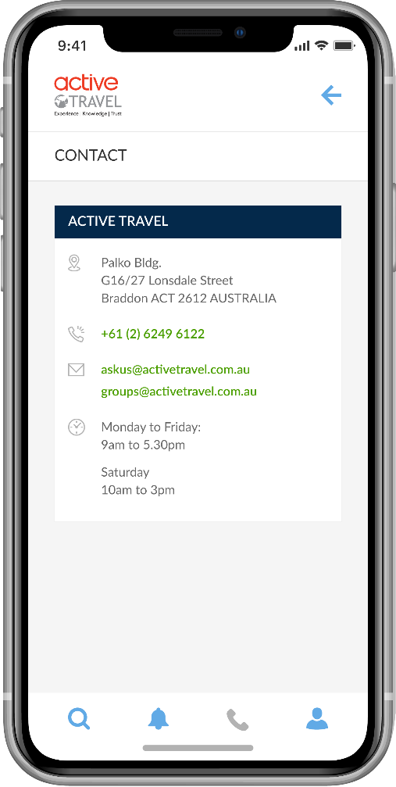

 | This is created in the app and does not link to the database fields.

User can click on the phone to call.
User can click on the email address and brings up email.
Also, to note a change on the menu bar when clicked on section it turns grey from blue.

WF_Profile
Profile Screen
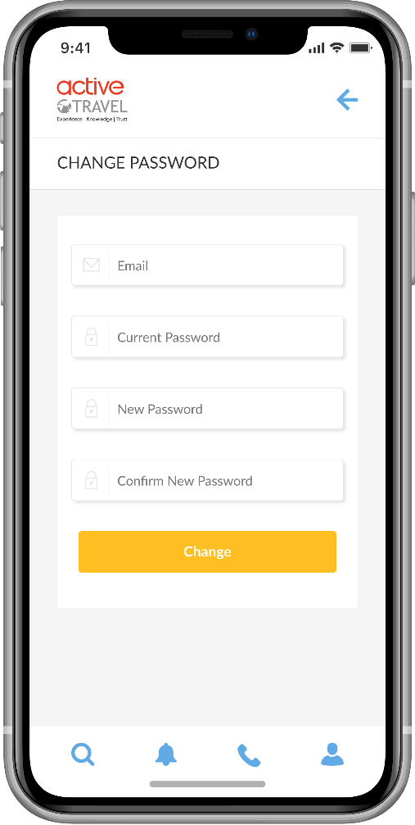
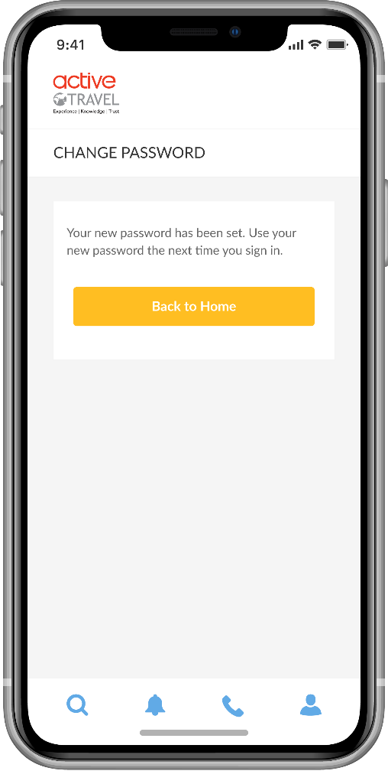
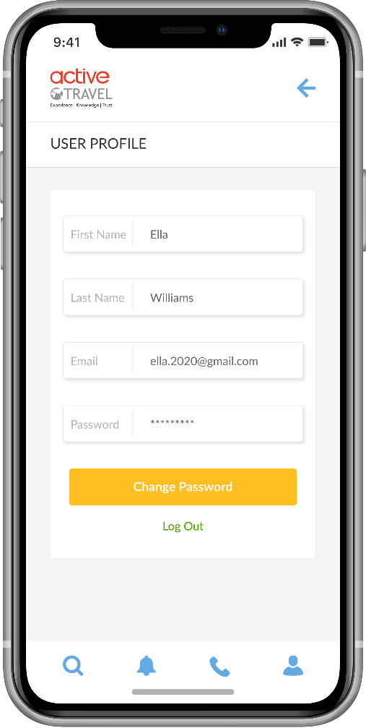

Also, to note a change on the menu bar when clicked on section it turns grey from blue.
Updating the password would need to write the new password back to the database.
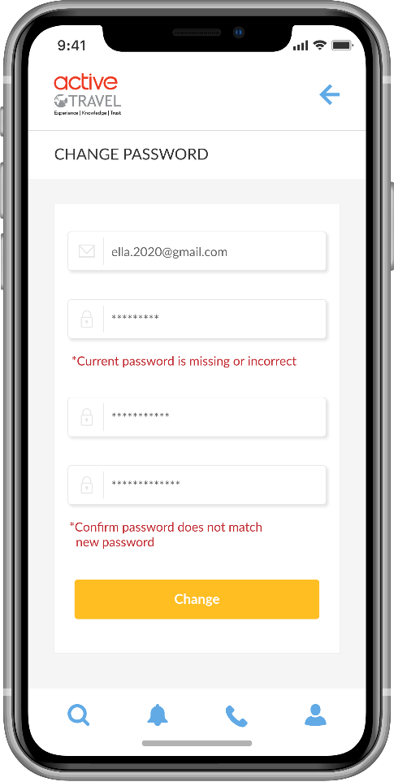
 | database fields
 | itinerary_customers | id
 | itinerary_customers | first_name
 | itinerary_customers | last_name
 | itinerary_customers | email
 | itinerary_customers | password

WF_Home
Home Screen Workflow

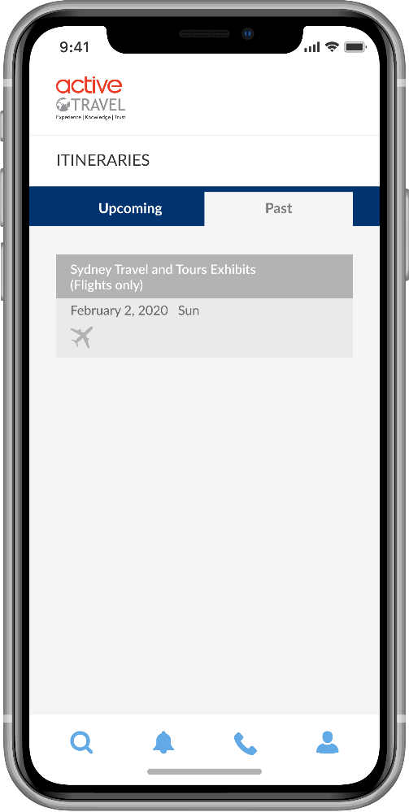

 | database fields
 | itinerary_customers | id
 | itinerary_customers | itinerary_customer_id
 | itinerary_customers | itinerary_name
 | itinerary_customers | travel_start_date
 | itinerary_customers | travel_end_date

Click on the Upcoming tab to see the itineraries. These are date driven with the most recent date coming up listed first.
Once the date has past on an itinerary it then appears in Past tab.
Click on Past tab to see past itineraries listed based on the most recent date past.

WF_Itinerary
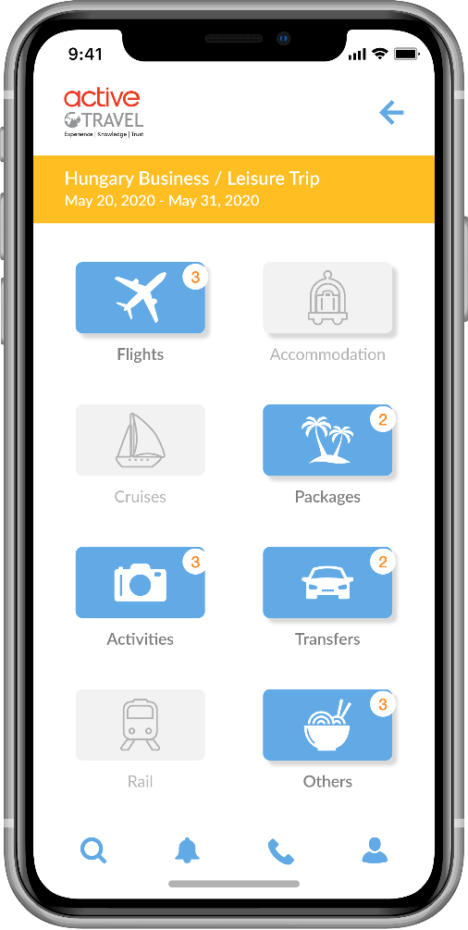
Itinerary Screen Workflow
 | database fields
 | itinerary_customers | id
 | itinerary_customers | itinerary_customer_id
 | itinerary_customers | itinerary_name
 | itinerary_customers | travel_start_date
 | itinerary_customers | travel_end_date

The icons boxed in red appear based on the icons that are in Blue which has documents uploaded to the itinerary.
The Icons come up in Blue when there has been documents uploaded up for that Document type and shows how many documents with the number icon. If there is no documents then it remains in grey colour.

 | database fields
 | itinerary_documents_mapping | document_name
 | itinerary_documents_mapping | itinerary_id
 | itinerary_documents_mapping | document_type

You can go in to Past itiniraries and view the documents as well.

WF_Document
Itinerary Document Workflow

Flights | Accommodation | Cruises

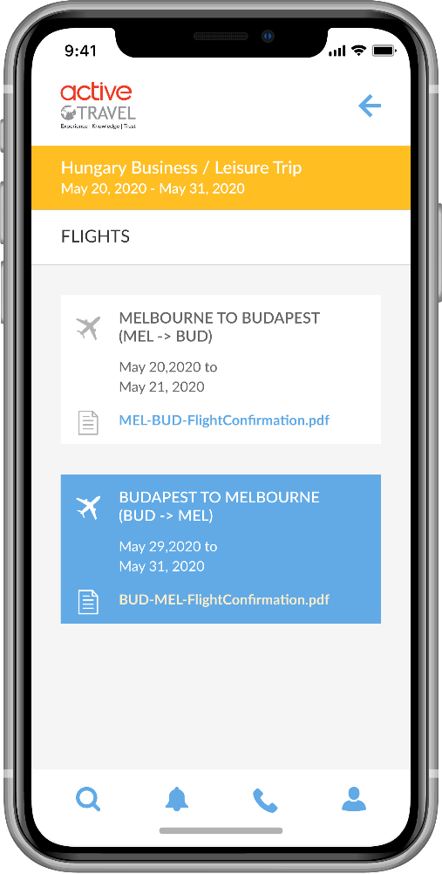
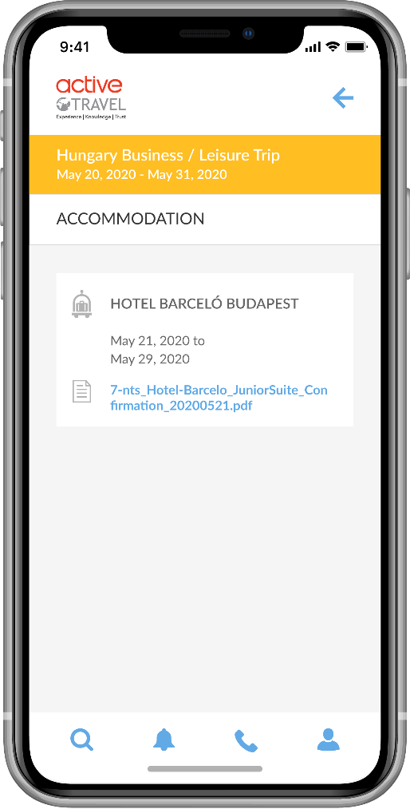
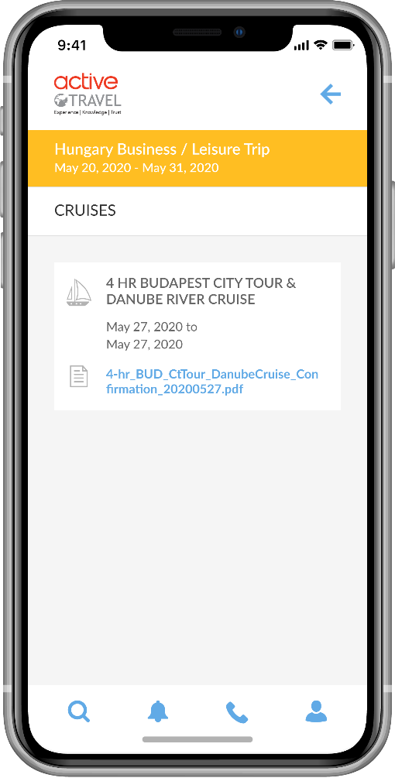

Packages | Activities | Transfers
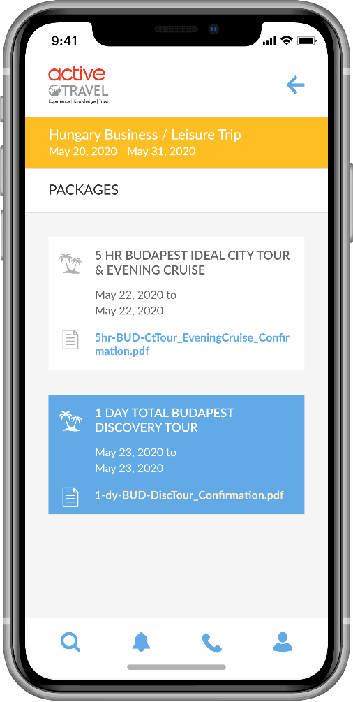
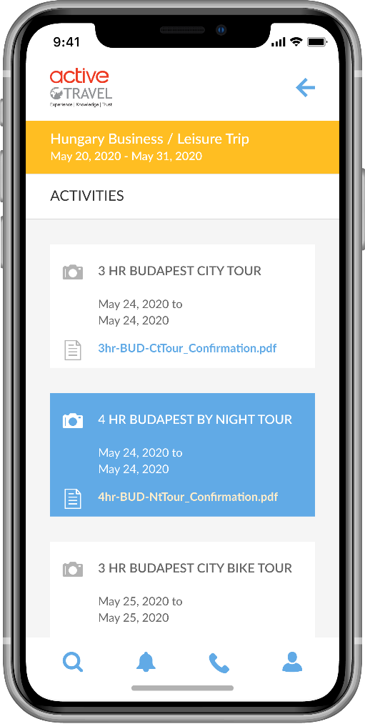
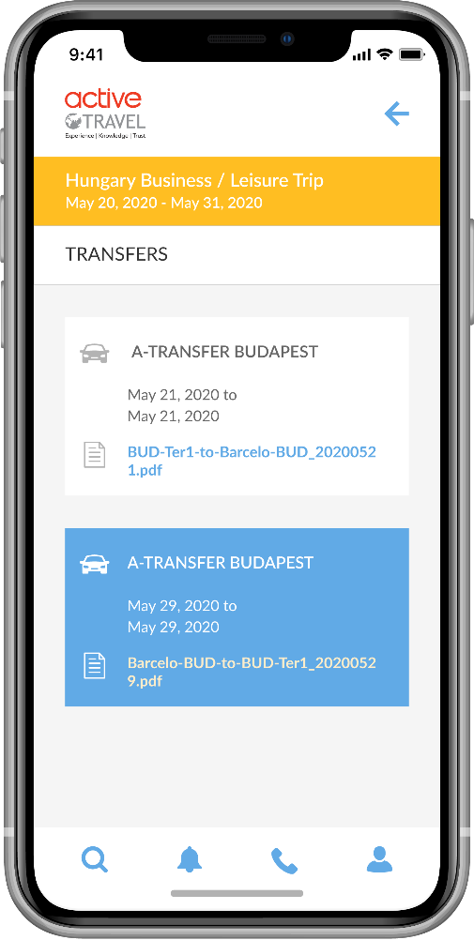

User clicks on the icon in blue (red box) to see the documents, inside the document type (i.e. Flights). If icon is grey it cannot be clicked on.
User clicks on the text (green box) to view the actual document (i.e. pdf, doc, image file).

Rail | Other
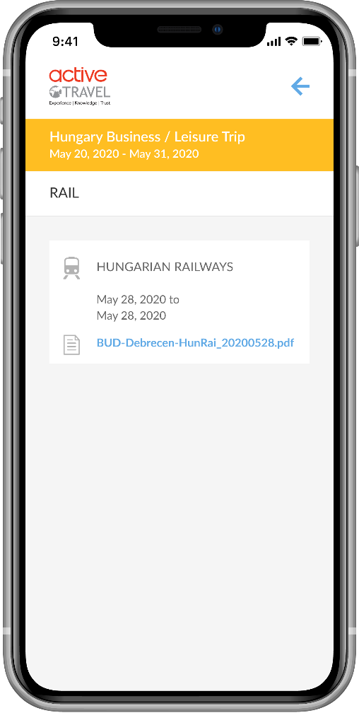
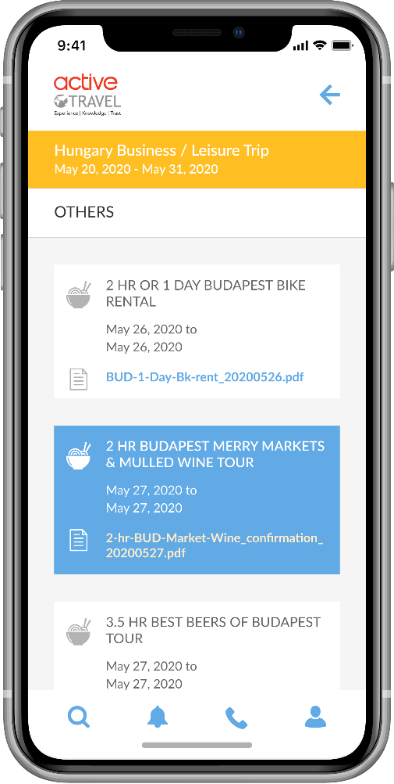

 |  |  | database fields
 |  |  | itinerary_documents_mapping | document_name
 |  |  | itinerary_documents_mapping | itinerary_id
 |  |  | itinerary_documents_mapping | document_type
 |  |  | itinerary_documents_mapping | document_file_name
 |  |  | itinerary_documents_mapping | start_date
 |  |  | itinerary_documents_mapping | end_date

WF_Search
Itinerary Screen Workflow

Home Screen | Explore / Book Tours and Transfers | Explore / Book Tours and Transfers | Home Screen
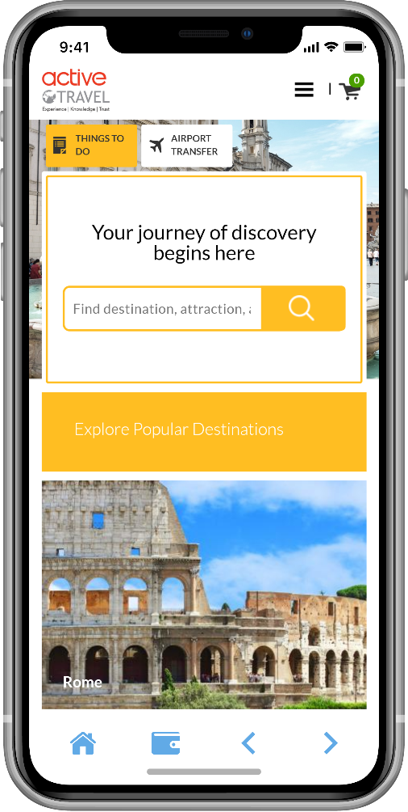

When the user clicks on the Search icon, the Web Browser screen appears and lands on home URL:
https://partners.travezl.com/activetravel
This screen is displaying the website:
https://partners.travezl.com/activetravel
The URL is hidden just like the current partners app for the travel agents.
Note: the bottom menu bar changes.
When the user clicks on the Wallet icon, they return back to the Itineraries Home Screen.
When the user clicks on the Home icon, returns to the home URL:
https://partners.travezl.com/activetravel
Back and Forward button goes back and forward on the URL

